aromatic_compounds_degradation_
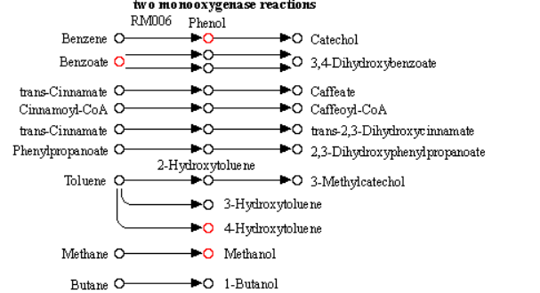
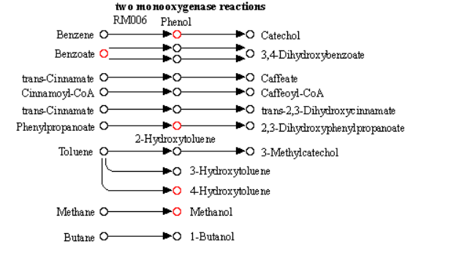
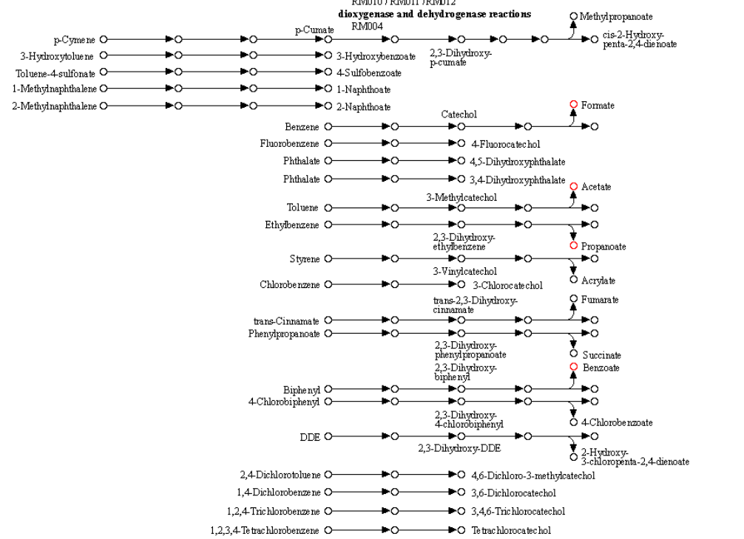
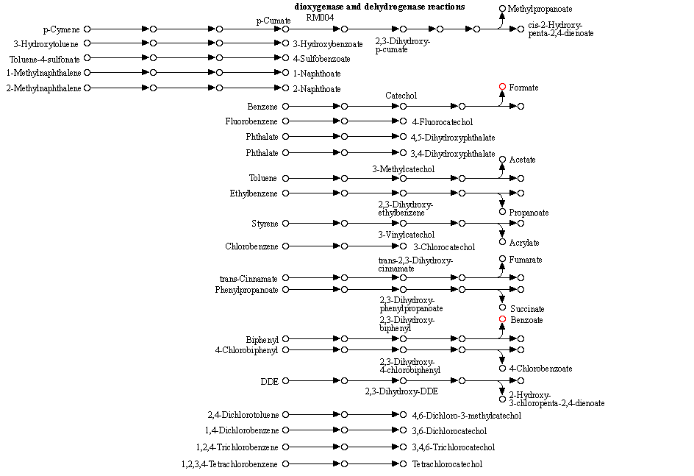
query | KEGG_id | KEGG_pathway | surface_initial_Control abundant | surface_initial_Glucose abundant | surface_final_Control abundant | surface_final_Glucose abundant | deep_initial_Control abundant | deep_initial_Glucose abundant | deep_final_Control abundant | deep_final_Glucose abundant
1-Butanol | C06142 | Degradation of aromatic compounds | FALSE | FALSE | FALSE | FALSE | FALSE | TRUE | TRUE | FALSE
Acetate | C00033 | Degradation of aromatic compounds | FALSE | FALSE | FALSE | FALSE | FALSE | TRUE | FALSE | TRUE
Propionate | C00163 | Degradation of aromatic compounds | FALSE | FALSE | FALSE | FALSE | FALSE | TRUE | FALSE | TRUE
hydrocinnamic acid | C05629 | Degradation of aromatic compounds | TRUE | FALSE | FALSE | FALSE | FALSE | TRUE | FALSE | FALSE
benzoic acid | C00180 | Degradation of aromatic compounds | FALSE | FALSE | FALSE | FALSE | FALSE | TRUE | FALSE | FALSE
catechol | C00090 | Degradation of aromatic compounds | FALSE | TRUE | TRUE | FALSE | FALSE | FALSE | FALSE | FALSE
4-hydroxyphenylacetic acid | C00642 | Degradation of aromatic compounds | FALSE | TRUE | FALSE | FALSE | FALSE | FALSE | FALSE | FALSE
3-3-hydroxyphenylpropionic acid | C11457 | Degradation of aromatic compounds | FALSE | FALSE | FALSE | FALSE | TRUE | FALSE | TRUE | FALSE
4-Hydroxyphenylacetate | C00642 | Degradation of aromatic compounds | TRUE | FALSE | FALSE | FALSE | TRUE | FALSE | FALSE | TRUE
Benzoate | C00180 | Degradation of aromatic compounds | TRUE | FALSE | FALSE | TRUE | TRUE | FALSE | FALSE | TRUE
Formate | C00058 | Degradation of aromatic compounds | FALSE | FALSE | FALSE | FALSE | TRUE | FALSE | FALSE | TRUE
Methanol | C00132 | Degradation of aromatic compounds | FALSE | FALSE | FALSE | FALSE | TRUE | FALSE | FALSE | TRUE
Phenol | C00146 | Degradation of aromatic compounds | FALSE | FALSE | FALSE | FALSE | TRUE | FALSE | FALSE | TRUE
Pyruvate | C00022 | Degradation of aromatic compounds | FALSE | FALSE | FALSE | FALSE | TRUE | FALSE | FALSE | TRUE
p-Cresol | C01468 | Degradation of aromatic compounds | FALSE | FALSE | FALSE | FALSE | TRUE | FALSE | FALSE | TRUE
p-Toluic acid NIST | C01454 | Degradation of aromatic compounds | FALSE | FALSE | FALSE | FALSE | TRUE | FALSE | FALSE | FALSE

deep_initial_Control abundant |  |  |  |  |  |  | deep_final_Glucose abundant

